Rubrics
Dr. D.Y. Patil Educational Federation's
Dr. D. Y. Patil Institute of Management and Entreprenuer Development, Varale, Pune
(Permanently affiliated to Savitribai Phule Pune University, Accredited by NAAC 'A'
Approved by AICTE, Recognized under 2 (f) & 12 (b) sections of UGC Act)
Faculty Name: Ninad Padale
Subject Name & Code: Soft skill 1
Class: MCA I SEM I AY 2023-24

Rubrics
Criteria | Excellent (100%) |  | Good (80%) | Satisfactory (60%) | Needs Improvement (<60%)
Understanding of Concepts
Application of Tools
Interpretation & Decision-Making
Structure & Clarity
References & Format

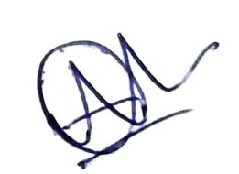
Ninad Padale
Subject Faculty

Dr. Ravi Chourasiya |  | Dr. Ashwini Chavan |  | Dr. Priyanka Singh
(College Examination Officer) |  | HOD (MCA) |  | Director

